Instructions
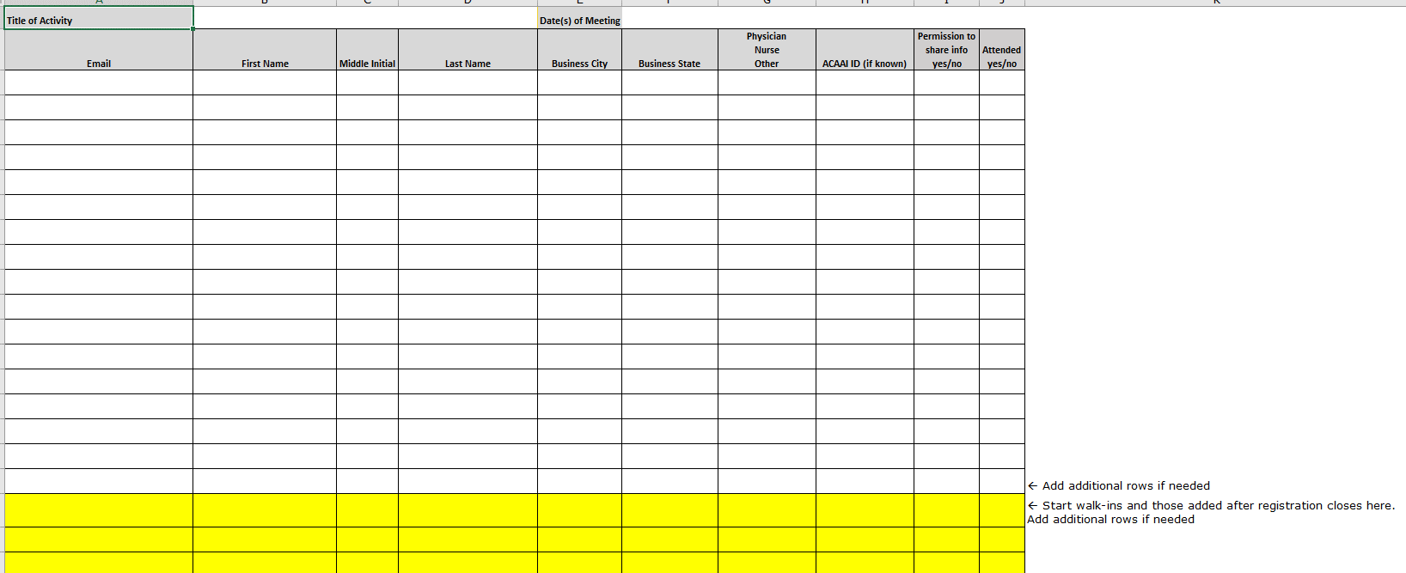
Form 6 Instructions
1. Save this form with the file name <ActivityName><Year> Form 6 REG (or ATT).xls Example: ACAAI 2023 Form 6 REG.xls (for pre-meeting) and ACAAI 2023 Form 6 ATT.xls (for post-meeting) 2a. Pre-meeting registration list (submitted to ACAAI 10 days prior to meeting): List registrants' names above the yellow highlighted rows. Add additional rows if needed. 2b. Post-meeting attendance list (submitted to ACAAI on the last day of the meeting or when all walk-ins and attendees have been checked in): Indicate whether or not registrants attended by selecting Yes or No from drop-down menu in appropriate column. Add walk-ins and those who registered after the registration list was submitted to the yellow highlighted rows. Add additional rows if needed and highlight in yellow. There is no longer a section for no-shows (no-shows will be indicated by selecting No from the drop-down menu). 3. All fields are required. 4. Select attendee category from drop-down menu. Choices have been simplified to Physician, Nurse, Other. 5. Include attendees’ ACAAI member number if known. 6. Indicate each registrant/attendee Permission to Contact choice in the drop-down menu.

